Hiearchy View
CLASS: STAIRWAY
a set of steps or stairs and its surrounding walls or structure. |  | 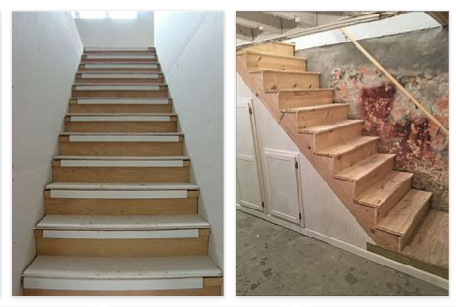
REMOVE | N

PROBLEM_DESC | CAUSE_DESC | REMEDY_DESC
BROKEN/DAMAGED
LEAKING
OTHER PROBLEM
PESTS
POWER-ELEC
STOPPED/SLOWED/POOR OPS
TEMP-CTRL
Grand Total

